Dashboard
Ground incidents at Indian civil airports — Dashboard
Report prepared by Safety Matters Foundation · 2016–2025 · compiled from AAIB/DGCA, ASN, Aviation Herald, and news media

Total incidents | Years covered | Unique airports | Runway excursions | Runway incursions | Bird strikes
144 | 2016–2025 | 39 | 27 | 17 | 25

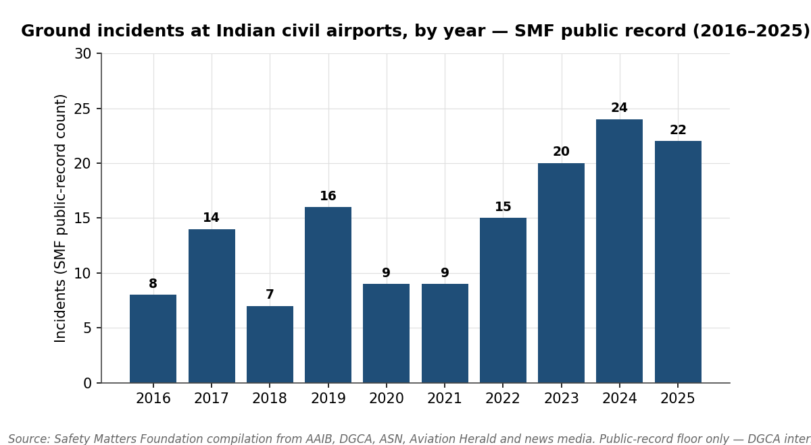
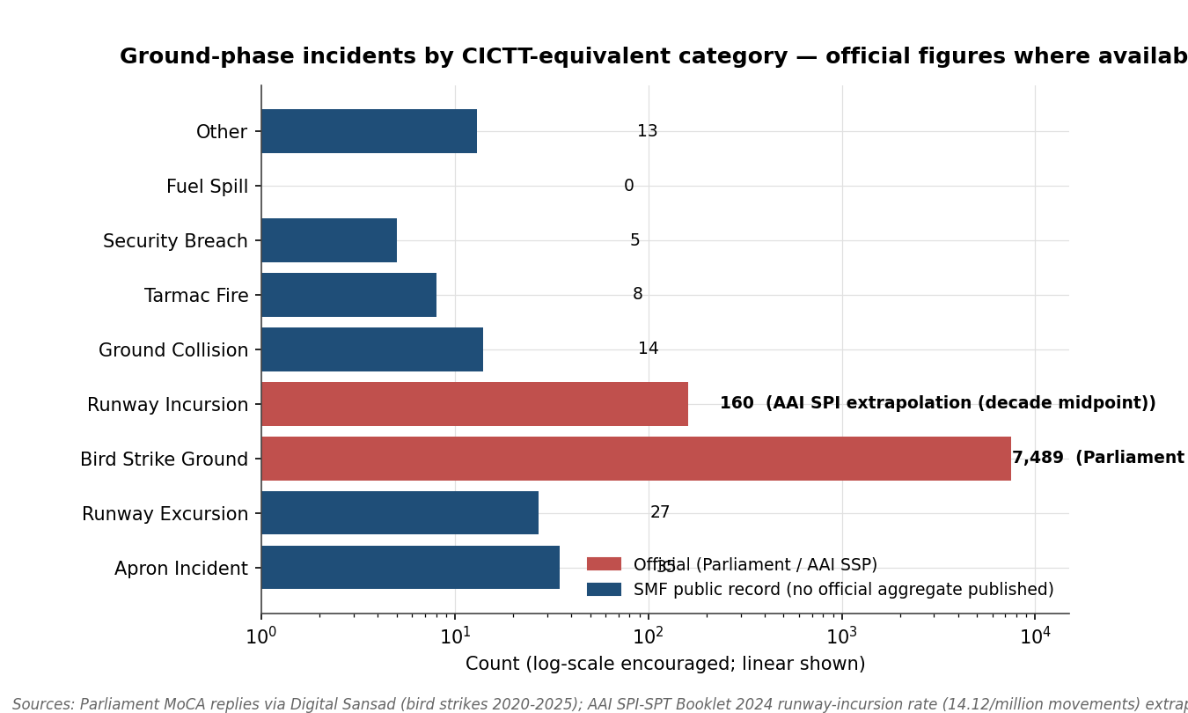

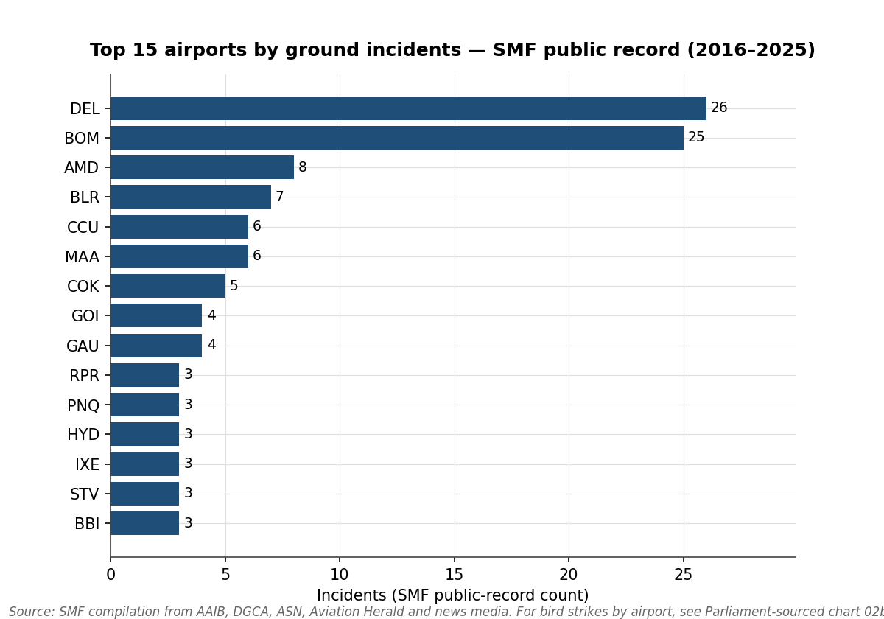
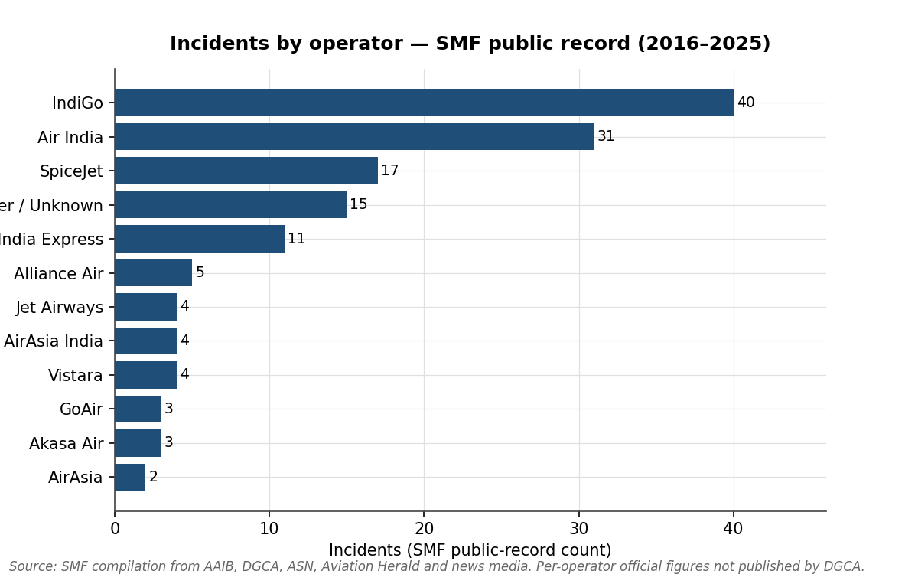

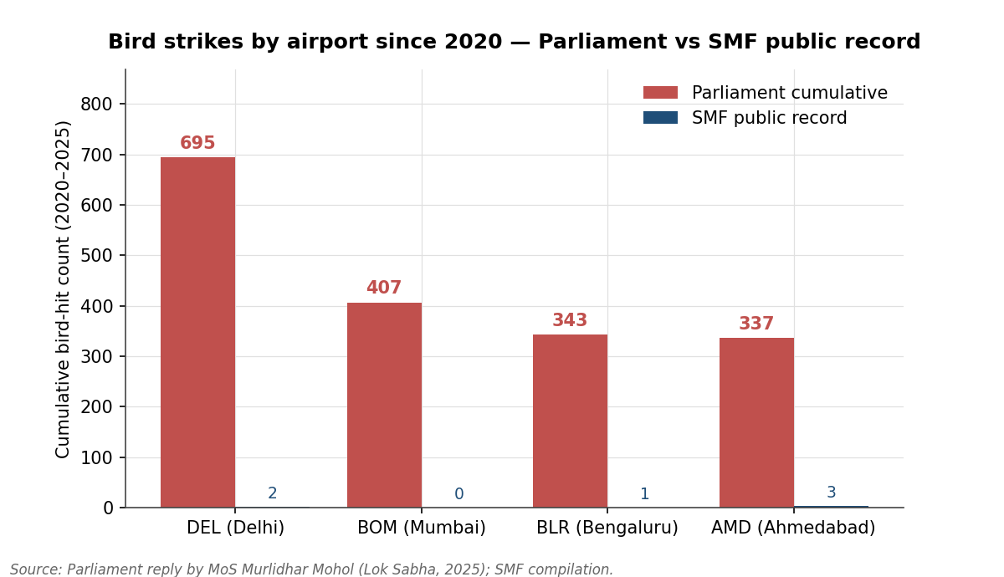
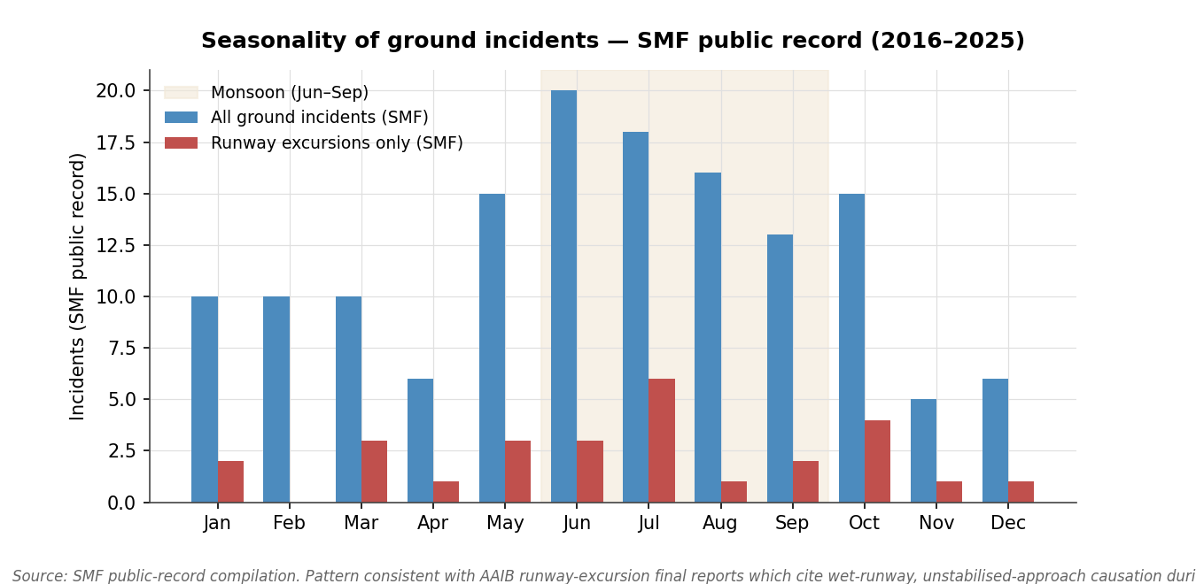

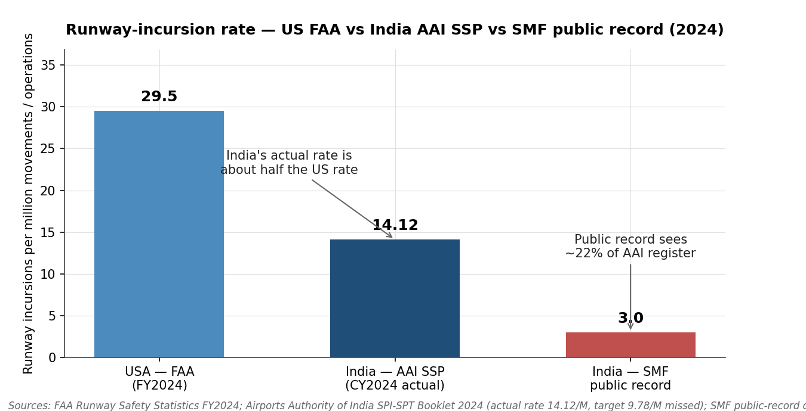
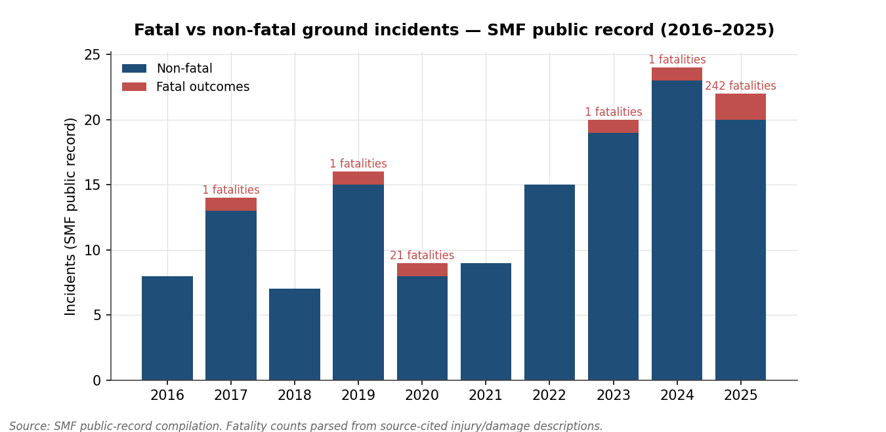

Pivot - Year x Type
Year | Runway Excursion | Runway Incursion | Ground Collision | Tarmac Fire | Fuel Spill | Bird Strike Ground | Security Breach | Apron Incident | Other | Total
2016 | 4 | 1 | 3 | 0 | 0 | 0 | 0 | 0 | 0 | 8
2017 | 5 | 0 | 0 | 0 | 0 | 5 | 0 | 4 | 0 | 14
2018 | 3 | 0 | 0 | 0 | 0 | 0 | 0 | 3 | 1 | 7
2019 | 6 | 4 | 0 | 0 | 0 | 0 | 1 | 4 | 1 | 16
2020 | 2 | 2 | 2 | 0 | 0 | 1 | 0 | 1 | 1 | 9
2021 | 1 | 2 | 0 | 0 | 0 | 3 | 0 | 1 | 2 | 9
2022 | 2 | 1 | 2 | 2 | 0 | 7 | 0 | 1 | 0 | 15
2023 | 1 | 2 | 1 | 0 | 0 | 4 | 1 | 10 | 1 | 20
2024 | 2 | 4 | 3 | 1 | 0 | 4 | 3 | 5 | 2 | 24
2025 | 1 | 1 | 3 | 5 | 0 | 1 | 0 | 6 | 5 | 22
Total | 27 | 17 | 14 | 8 | 0 | 25 | 5 | 35 | 13 | 144

Incidents by year and CICTT-equivalent type

